About...
About the SAGDesign_Mill Sizing Spreadsheet ...
Scope :
The SAGDesign_Mill_sizing spreadsheet was designed to determine the most appropriate mill dimensions and
operating conditions for a given grinding task (known ore properties, target plant throughput, feed and product
sizes), based on the SAGDesign™ Methodology and the Nordberg Power Model.
The Bond tests was developped for rod and ball milling when those technologies were widely used in the
early 1900's. Still in the 1980's, the determination of the mill size for both autogenous and semi-autogenous grinding was not possible and motivated John Starkey to develop a new grinding bench scale test allowing the sizing of those equipments regardless of their size.
SAGDesign™ Testwork Description :
SAGDesign™ testing measures the macro and micro ore hardness by means of a SAG mill test and a standard Bond Ball Mill Work Index test on SAG ground ore. Ore feed is prepared from a minimum of 10 kg of split diamond drill core samples by stage crushing the ore in a jaw crusher to 80% product passing 19 mm. The SAG test reproduces commercial SAG mill grinding conditions on 4.5 L of ore and determines the SAG mill specific pinion energy to grind ore from 80% passing 152 mm to 80% passing 1.7 mm (W_{SDT}), herein referred to as macro ore hardness. The SAG mill product is then crushed to 100% passing 3.35 mm and is subjected to the Bond ball mill work index (S_{d}-BWI) grindability test to provide the total pinion energy at the specified grind size for mill design purposes, herein reffered to as micro ore hardness. The full SAGDesign test produces the SAG grindability (W_{SDT}) and the Ball Mill grindability (S_{d}-BWI) both in kWh/t, as well as the ore specific gravity.
The SAG mill pinion energy is determined from the SAGDesign™ testwork results as follows :
W_{SDT} = revs (16,000 + m_{s})) / (447.3 m_{s})
where :
W_{SDT} = AG/SAG Specific Pinion Energy from a F₈₀ of 152.4 mm to a T₈₀ of 1.7 mm, kWh/ton ground
revs = Cumulative number of SAG test mill revolutions to 80% passing 1.7mm
m_{s} = SAG mill feed sample mass, grams
The ball mill pinion energy is determined from the Bond the Third Theory of Comminution :
S_{d}-BWI = 1.102 * 44.5 / (P_{cs}^{0.23} G_{pb}^{0.82}) / (10 / P₈₀^{1/2} – 10 / F₈₀^{1/2})
where :
S_{d}-BWI = Bond ball mill work index on SAG ground ore, kWh/ton ground
F₈₀ = 80% passing of SAG ground of the test feed size, microns
P₈₀ = 80% passing from the test product size, microns
P_{cs} = Bond closing screen size, microns
G_{pb} = Ball mill grindability (average of last three cycles), gr/rev
Determination of the SAG and Ball Mill Pinion Energy :
Therefore, the total specific pinion energy is determined by applying correction factors to adjust the required mill pinion energy to the circuit's operating conditions :
W_{TOT} = W_{SAG} + W_{BM}
= (CF_{Feed} CF_{PC} W_{SDT}) + (CF_{Coarse} CF_{Fine} CF_{Dia} ) (10 S_{d}-BWI) (1/P₈₀^{1/2} – 1/F₈₀^{1/2})
where
CF_{Feed} = SAG feed size F₈₀ correction factor where a factor of 5% is applied for each 1 inch (25.4 mm).
different for the design feed size of 6 inches (152.4 mm). Larger feed size requires more energy.
CF_{PC} = Pebble Crusher energy reduction factor. Varies between 10% and 30% depending of SAG
grindability value. Higher reduction is obtained on harder ore (> 20 kWh/t).
CF_{Coarse} = If the transfer size T₈₀ is greater or equal to 3.4 mm, the oversize feed factor as determined by
Bond (corresponding to the EF₄ factor by Rowland) is applied.
CF_{Fine} = If the product size P₈₀ is less than 75 µm, the fineness of ball mill grind factor as determined by Bond (corresponding to the EF₅ factor by Rowland) is applied.
CF_{Dia} = If the ball mill diameter is greater than 8 ft, the mill diameter factor as determined by Bond
(corresponding to the EF₃ factor by Rowland) is applied. The factor equals unity for diameter less
than 8 ft.

SAGDesign™ Test Method Precision :
The precision of a measurement system, related to reproducibility and repeatability, is the degree to which repeated measurements under unchanged conditions show the same results (Wikipedia.org). Table 1 below shows that the reproducibility relative error (R.E.) is within 4.6% with a relative standard deviation (RSD) of 3.1% for the SAG portion of the test and within 8.7% with a RSD of 5.7% for the Bond Work Index on SAG ground ore. Table 2 shows that the repeatability R.E. from 12 tests is within 5.1%. To be noted that sample R12 was performed by two different labs.
SAGDesign™ Methodology Accuracy :
The accuracy of a measurement system is the degree of closeness of measurements of a quantity to that quantity's actual or true value (Wikipedia.org). The actual value is measured during plant benchmarking where the feed material is subject to the grinding testwork. Figure 1 confirms that the ore hardness measured by the SAGDesign testwork corresponds to the plant performance within 8.9% including pilot plant and single stage AG-SAG mills.
Data Input :
All data required by the calculation routine must be defined in each corresponding unprotected white background cell of the here attached Testwork Results, Design Hardness Selection and Base Case worksheets. Gray background cells contain the results of the corresponding formulas there defined and are protected to avoid any accidental editing.
The testwork results dataset and SAG and ball mill sizing are presented in the Reports worksheet.

 | Table 1: SAGDesign™ Test Reproducibility |  |  |  | Table 2: SAGDesign™ Test Repeatability
 | Laboratory | SG | WSDT | Sd-BWI | Project | Test ID | WSDT | Repeat | RE
 |  |  | kWh/t | kWh/t | No |  | kWh/t | kWh/t | %
 | A | 2.85 | 7.30 | 8.88 | S3 | R1 | 15.59 | 15.63 | 0.3%
 | B | 2.81 | 7.71 | 10.00 | S5 | R2 | 16.43 | 16.58 | 0.9%
 | C | 2.86 | 7.68 | 10.52 | S5 | R3 | 18.73 | 18.79 | 0.3%
 | D | 2.86 | 7.17 | 9.76 | S5 | R4 | 15.65 | 16.13 | 3.1%
 | E | 2.86 | 7.28 | 9.42 | S46 | R5 | 10.95 | 10.77 | -1.6%
 | F | 2.82 | 7.17 | 10.32 | S50 | R6 | 3.43 | 3.53 | 2.8%
 | G | 2.85 | 7.18 | 9.19 | S58 | R7 | 11.92 | 11.82 | -0.8%
 | H | 2.84 | 7.52 | 9.75 | S58 | R8 | 11.92 | 12.34 | 3.5%
 | Average | 2.84 | 7.38 | 9.73 | S69 | R9 | 9.88 | 10.39 | 5.1%
 | Rel. St. Dev. |  | 3.1% | 5.7% | S69 | R10 | 9.29 | 9.75 | 4.8%
 | Min. R.E. (%) |  | -2.9% | -8.7% | S69 | R11 | 10.18 | 10.37 | 1.8%
 | Max. R.E.(%) |  | 4.6% | 8.1% | S58 | R12 | 11.92 | 11.55 | -3.2%
 |  |  |  |  | Average |  |  |  | 1.4%
 |  |  |  |  | Min. R.E. |  |  |  | -3.2%
 |  |  |  |  | Max. R.E. |  |  |  | 5.1%

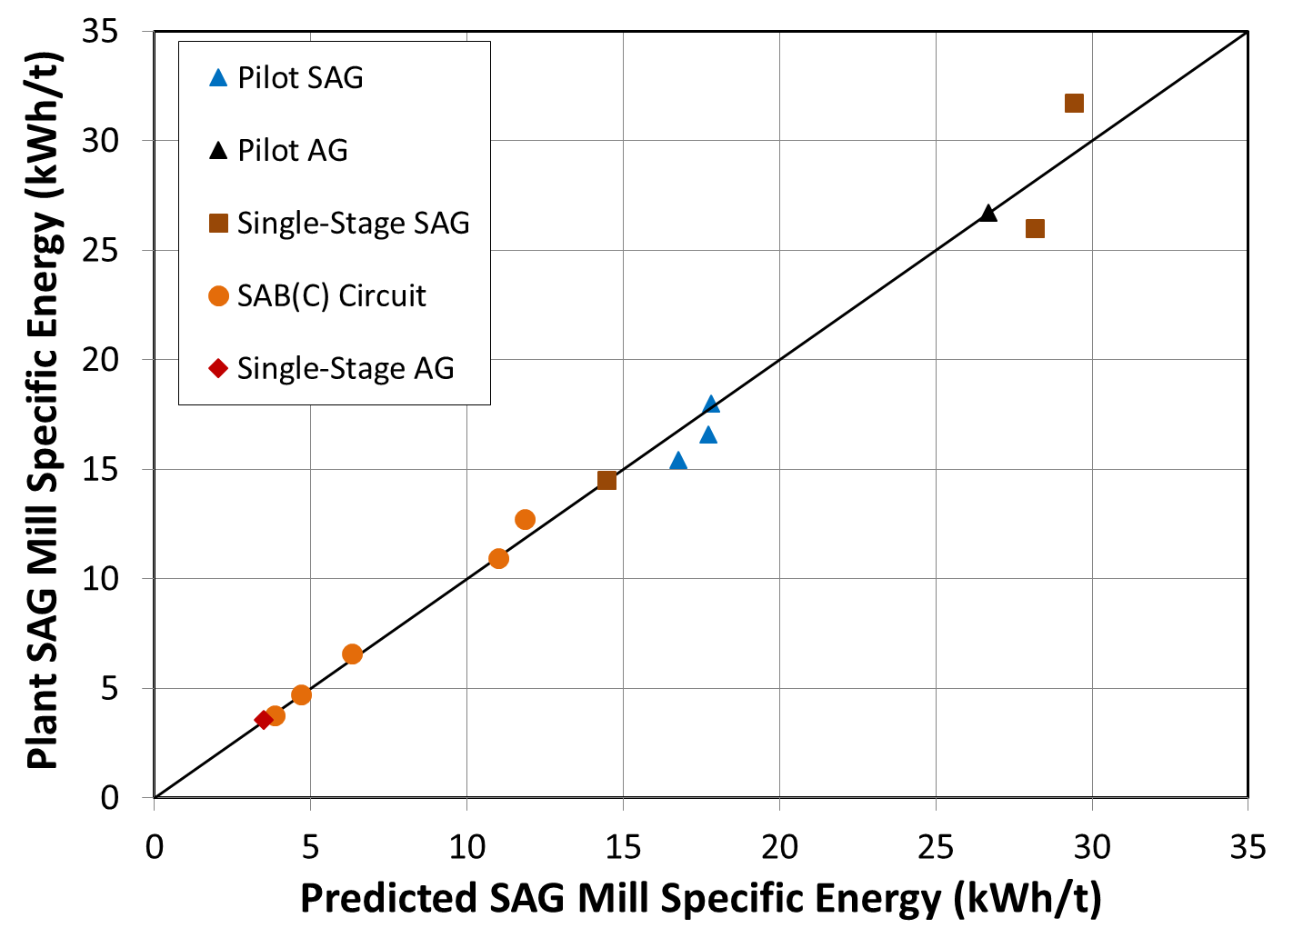
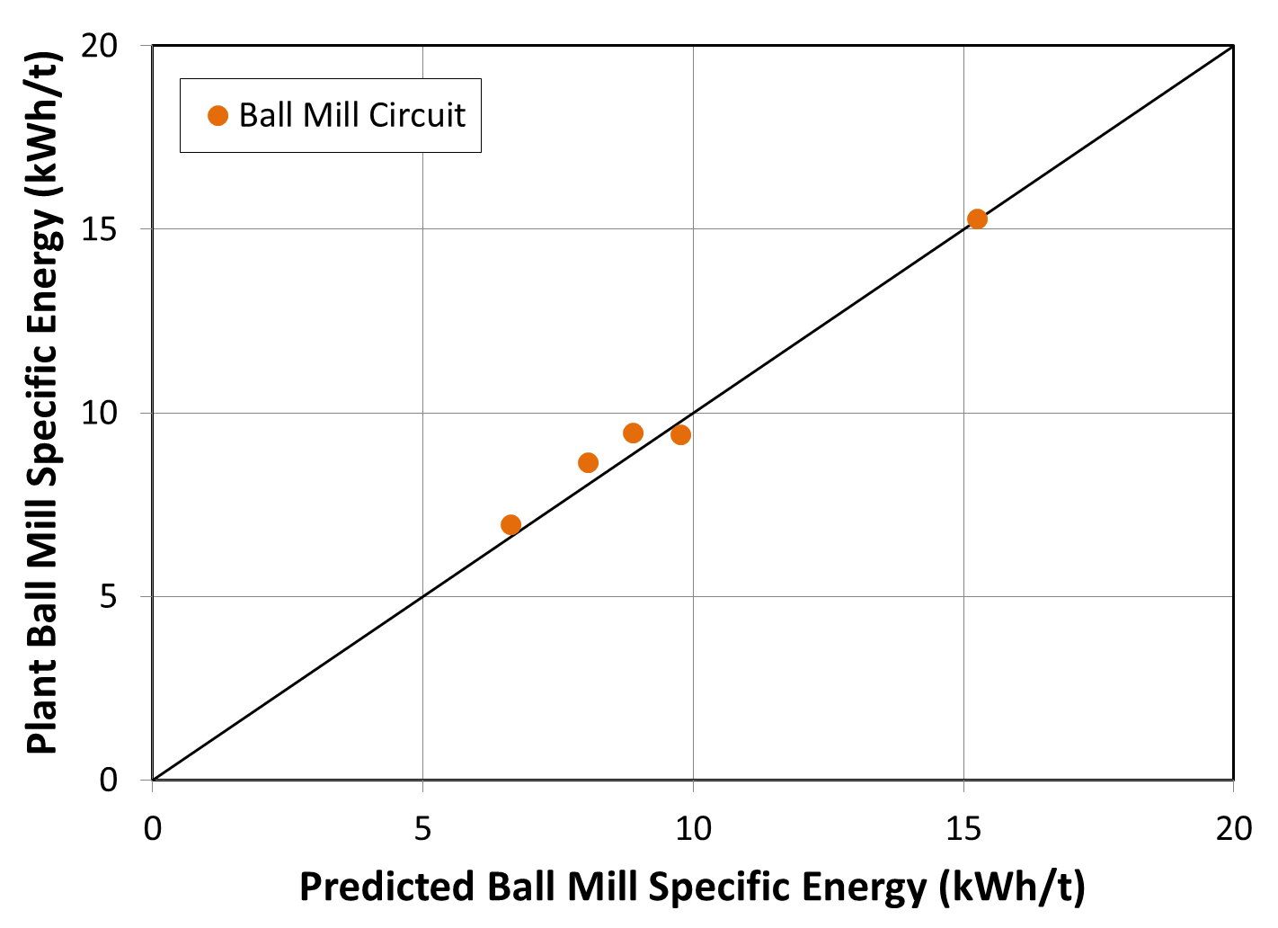

 | Figure 1 : SAGDesign Teswork Results versus Plant and Pilot Benchmark

